custom LA data
Louisiana land use and forestry represent a net carbon sink for the state and reduce the overall 2018 GHGinventory by 3.8 million metric tons.

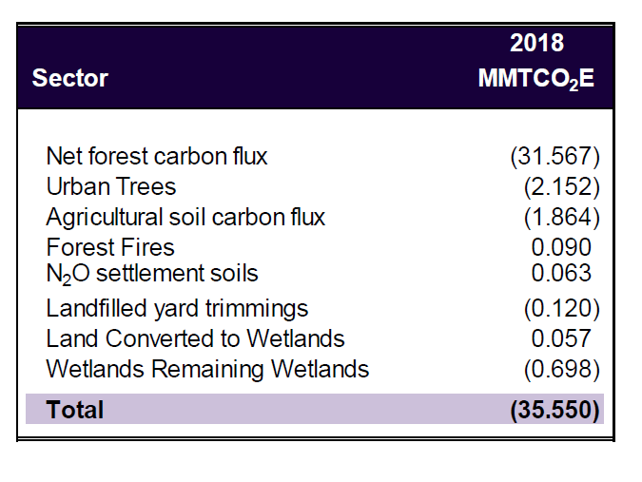
Louisiana 2021 GHG Inventory
Prepared on the behalf of the Governor's Office of Coastal Affairs
David Dismukes
June 30 2021

Total | 35.55 | MMTCO2e
convert to grams | -35550000000000

